Title
Name: | Leon Nguyen
Module: | lab09
Submitted:
Returned:

Impact of Rising Sea Level
The latest assessment by the Intergovernmental Panel on Climate Change (IPCC) projects a rise in sea-level of up to 1 meter within the next couple of centuries due to the thermal expansion of the warmer ocean and glacier melting associated with 'slow climate change'. However the sea level rise could be a lot higher in certain abrupt climate change scenarios. Although the likelihood of these abrupt climate change scenarios is very small, they cannot be ruled out completely. For example, if the Greenland ice sheet were to melt completely, it would raise the sea level by 7m. In this exercise, we will use Google Maps to assess the potential impact of rising sea levels in different regions of the globe.
Tasks:
1. Impact of sea-level rise on different continents
2. Impact of sea-level rise on the United States
The following Sheets are present in this exercise:
1. [Title]: Introductory sheet
2. [Task1]: Description of Task 1
3. [Task2]: Description of Task 2

Sheet1
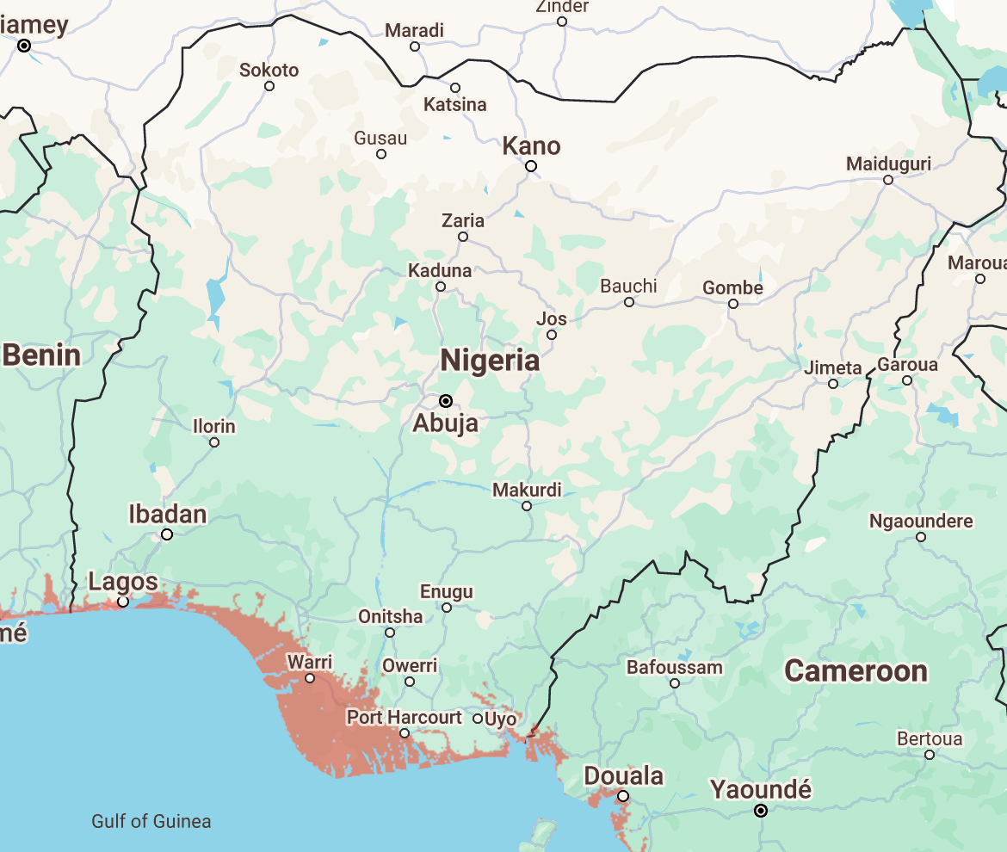
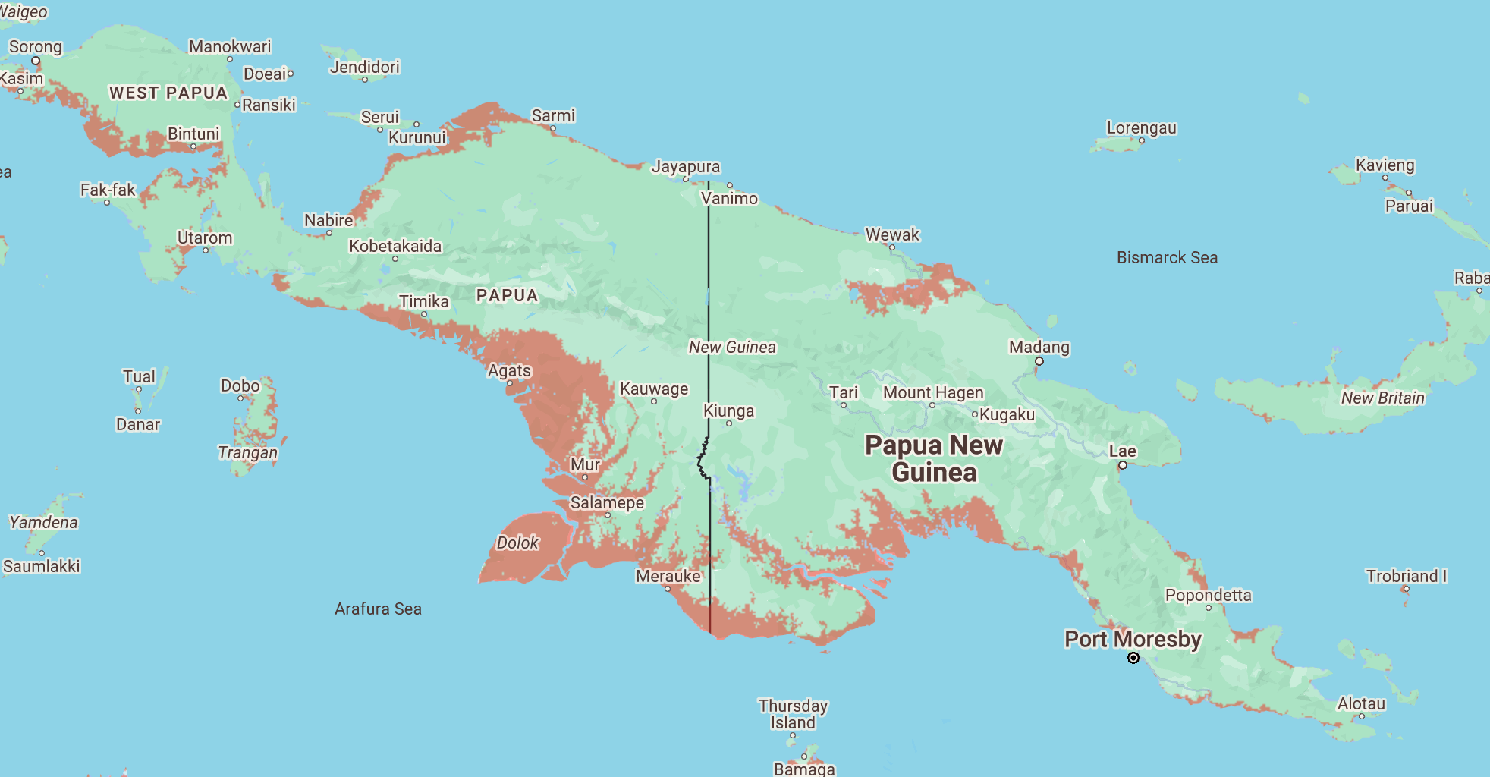
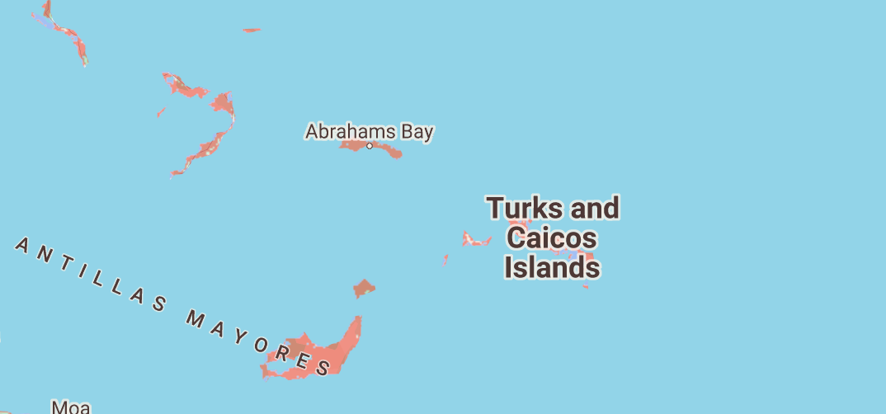
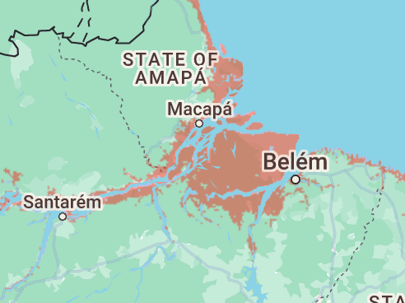
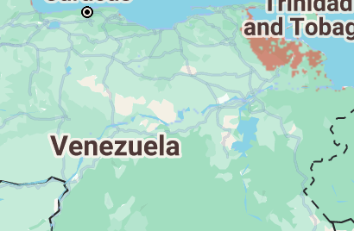
Name: |  | Africa | Asia | Australia |  | Europe | Americas | South America
 |  | 1 Meter | 1 Meter | 1 Meter |  | 1 Meter | 1 Meter | 1 Meter
Task1: | Impact of sea-level rise on different continents | Nigeria | Vietnam | Kakadu National Park |  | Netherlands | The Bahamas
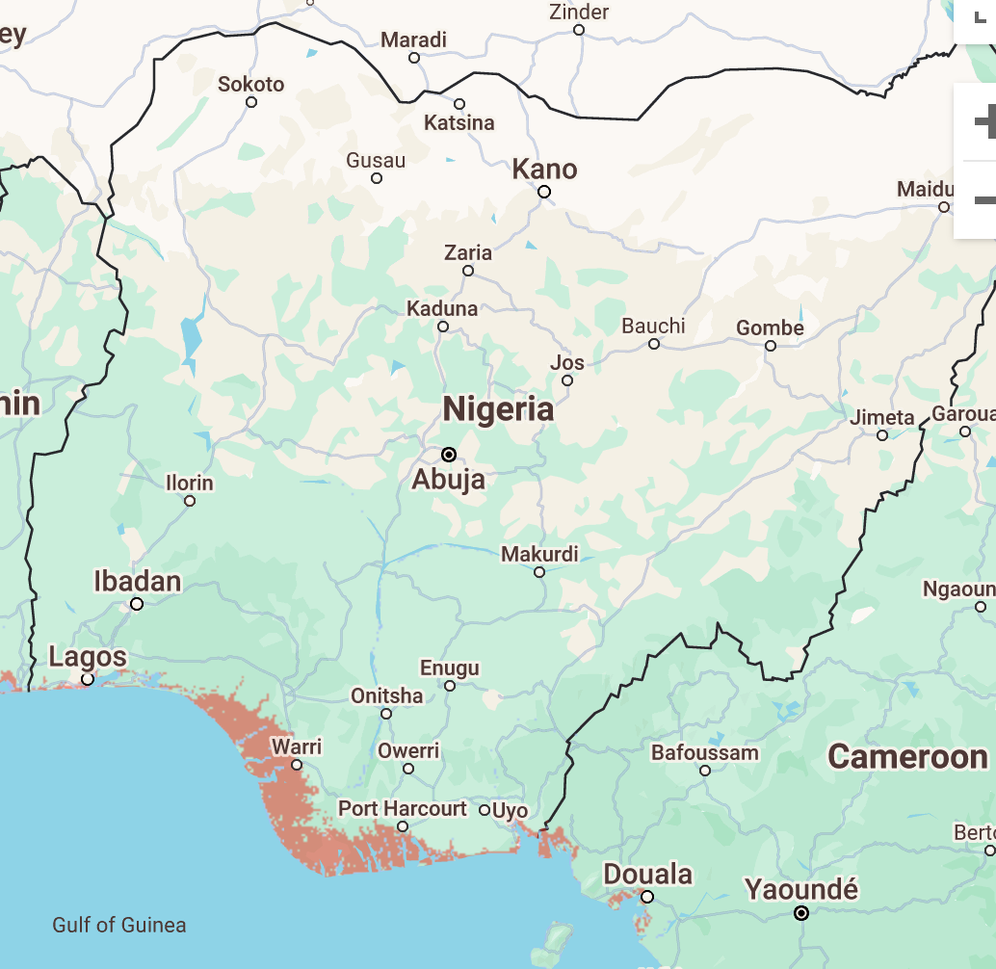
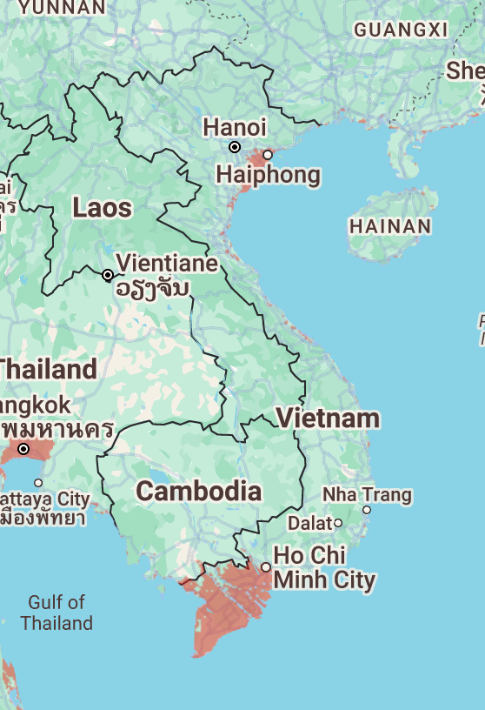
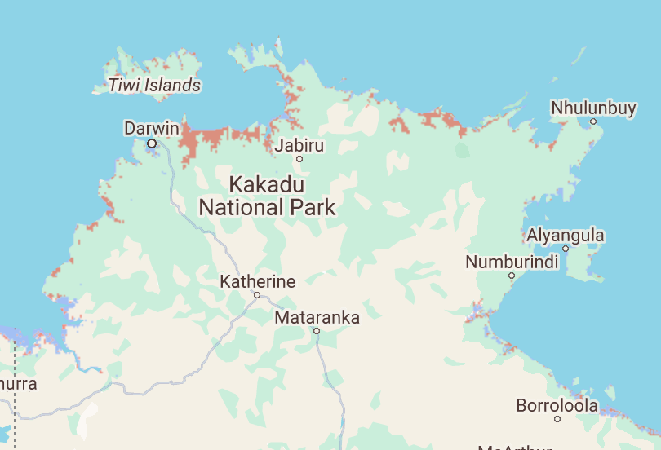
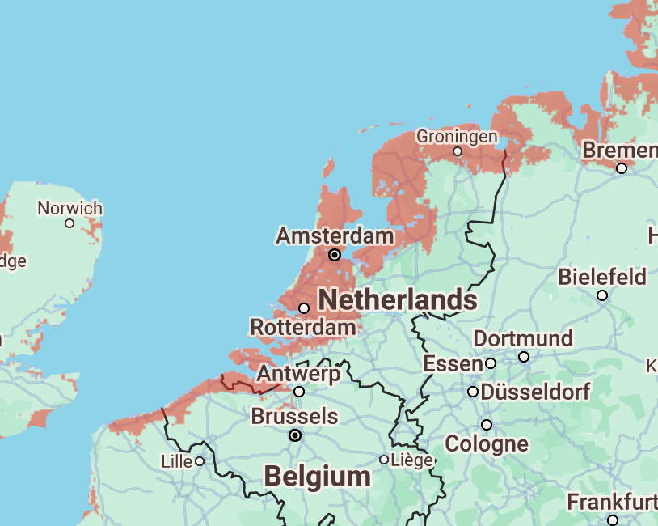
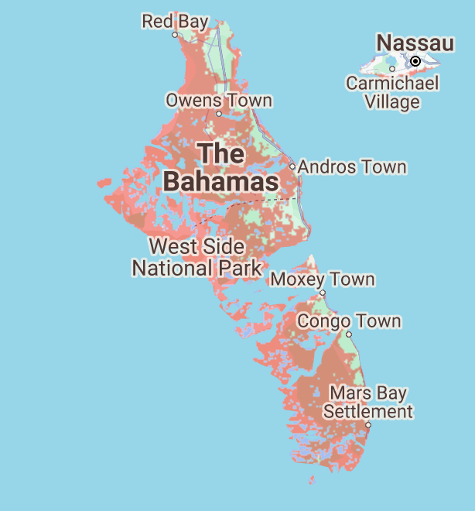
The Flood Maps website https://coastal.climatecentral.org/ is a "mashup", I.e., it combines Google Maps with topographic elevation data from NASA to create "flood maps" (See the about link on the website for more information.) For a selected Sea Level Rise value, the website uses red tiles to indicate regions that would be submerged.
Task 1.1: For a 1m rise in sea-level, which is a likely scenario over the next century or two, identify and attach screenshots of the most vulnerable countries/regions in each continent.
Also, identify and attach screenshots of the most vulnerable countries/regions, if the sea-level rise is 7m (an unlikely, but plausible scenario.)
Remember to convert ft to m when using the website
2 each for 1 meter and 7 meter. 4 in total.
(https://coastal.climatecentral.org/ ).
Africa: Nigeria, Mauritania | Mozambique, Nigeria
Asia: Vietnam, Bangladesh | Bangladesh, China
Australia: North + West Australia | North + West Australia
Europe: Netherlands + United Kingdom for both
N. America: The Bahamas, Turks Caicos Islands for both
S. America. Venezuela, State of Amapa | Buenos Aires, State of Amapa
Task 1.2
Which country is the most vulnerable to flooding due to sea-level rise? (1 country)
The Bahamas is the most vulnerable, with 1m of floodng, can flood the entire the country.

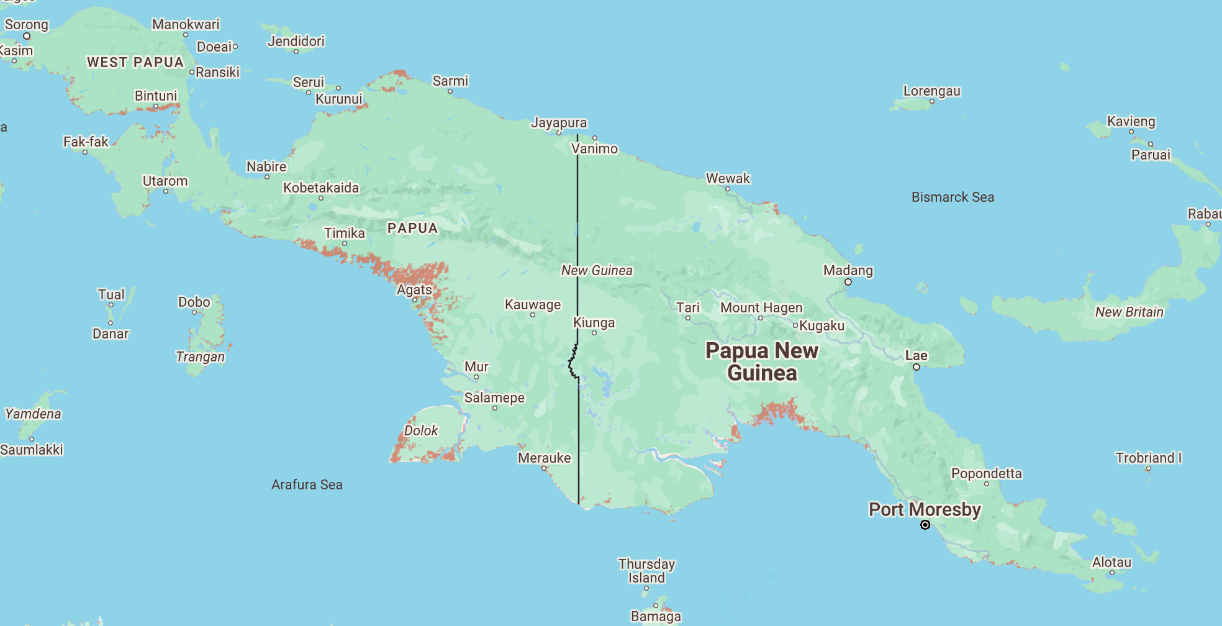
 |  | Mauritania | Bangladesh | Papua New G |  | United Kingdom | Turks and Caicos Islands
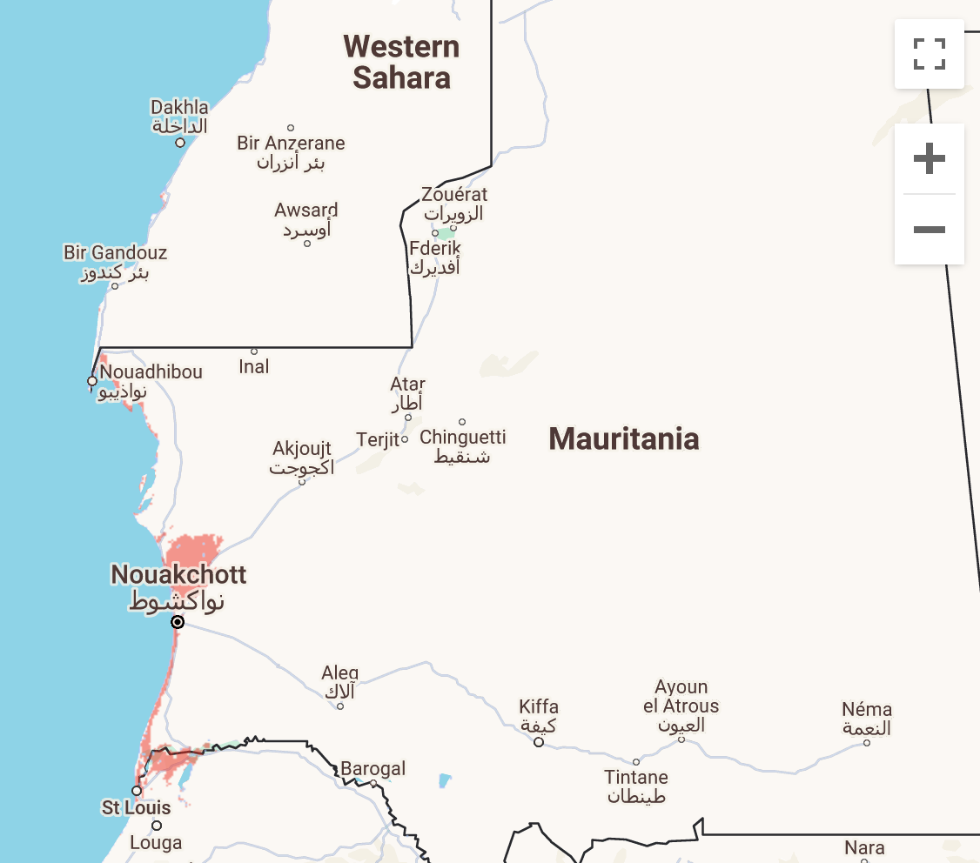
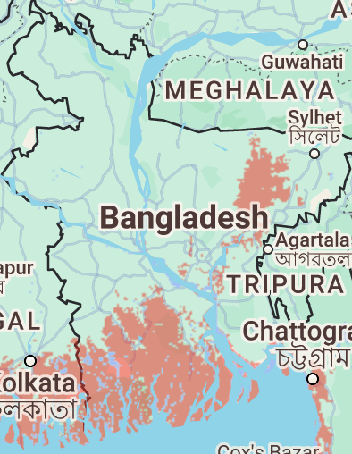
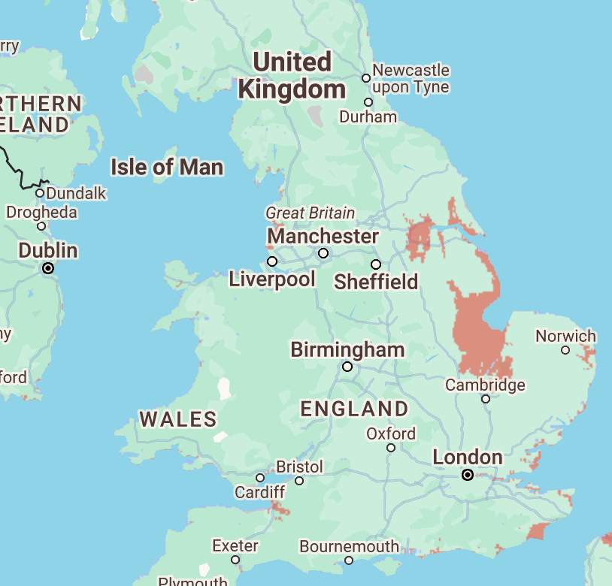
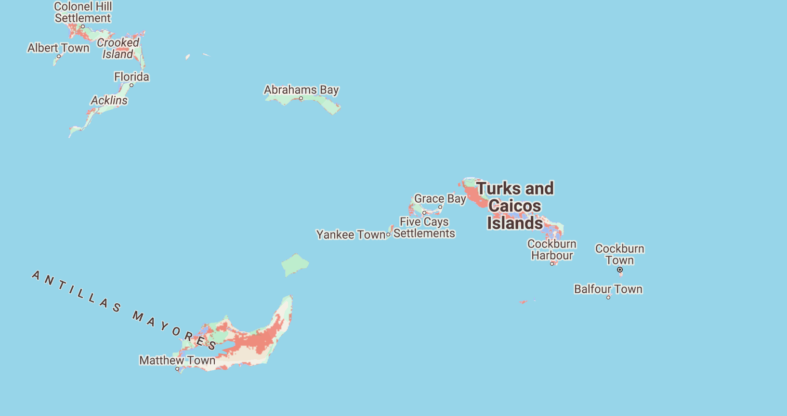
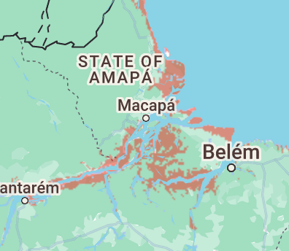

 |  | 7 Meter | 7 Meter | 7 Meter |  | 7 Meter
 |  | Mozambique | Bangladesh | North Australia
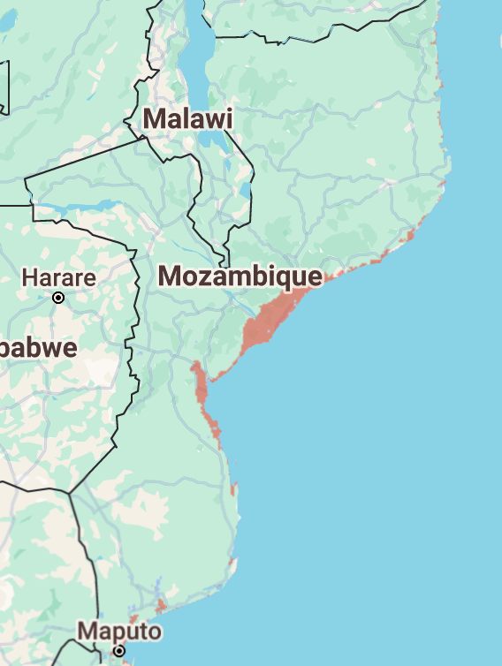
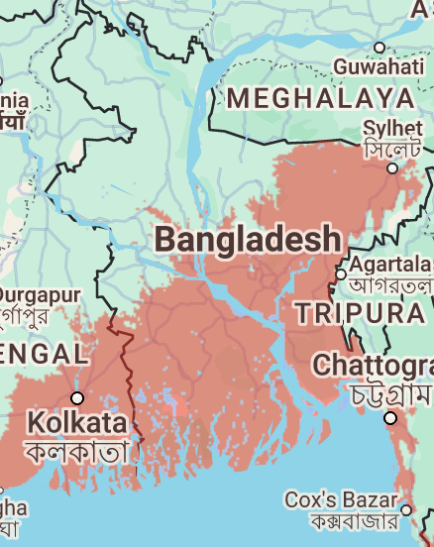
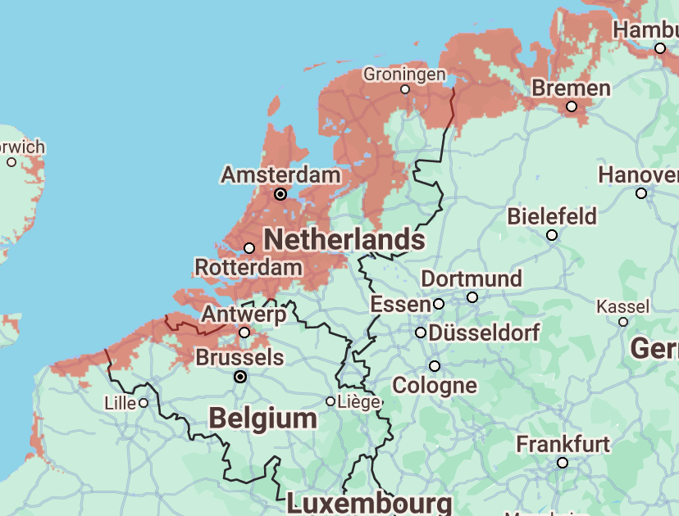
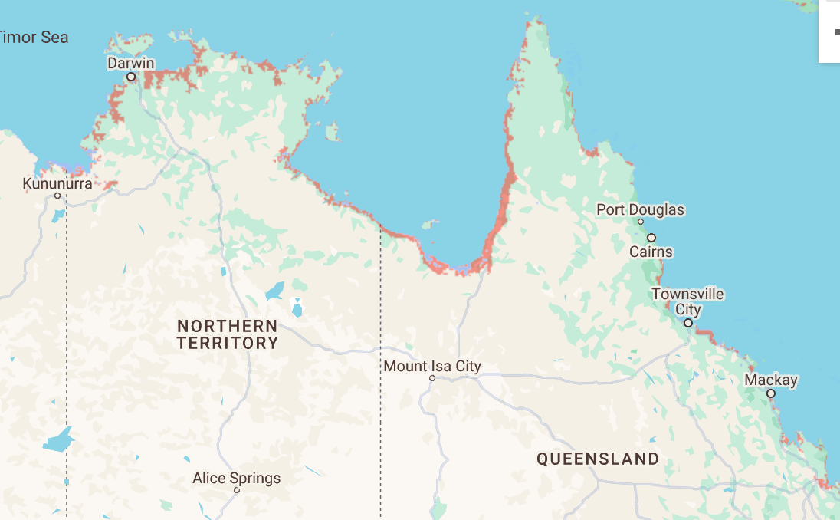
 |  |  |  |  |  |  | 7 Meters
 |  |  |  |  |  |  |  | 7 Meter

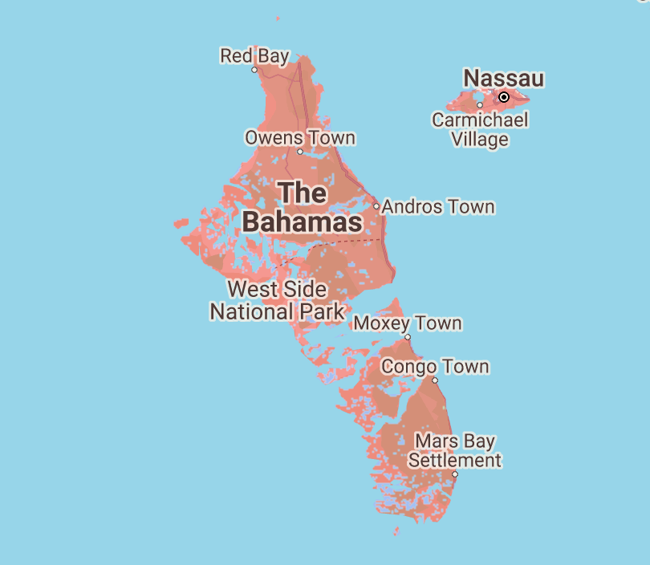

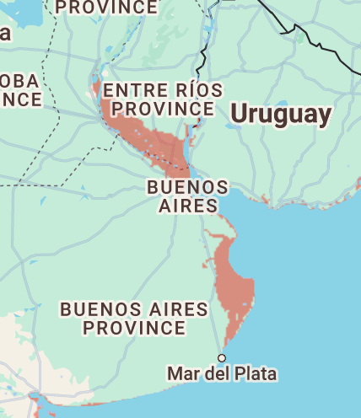

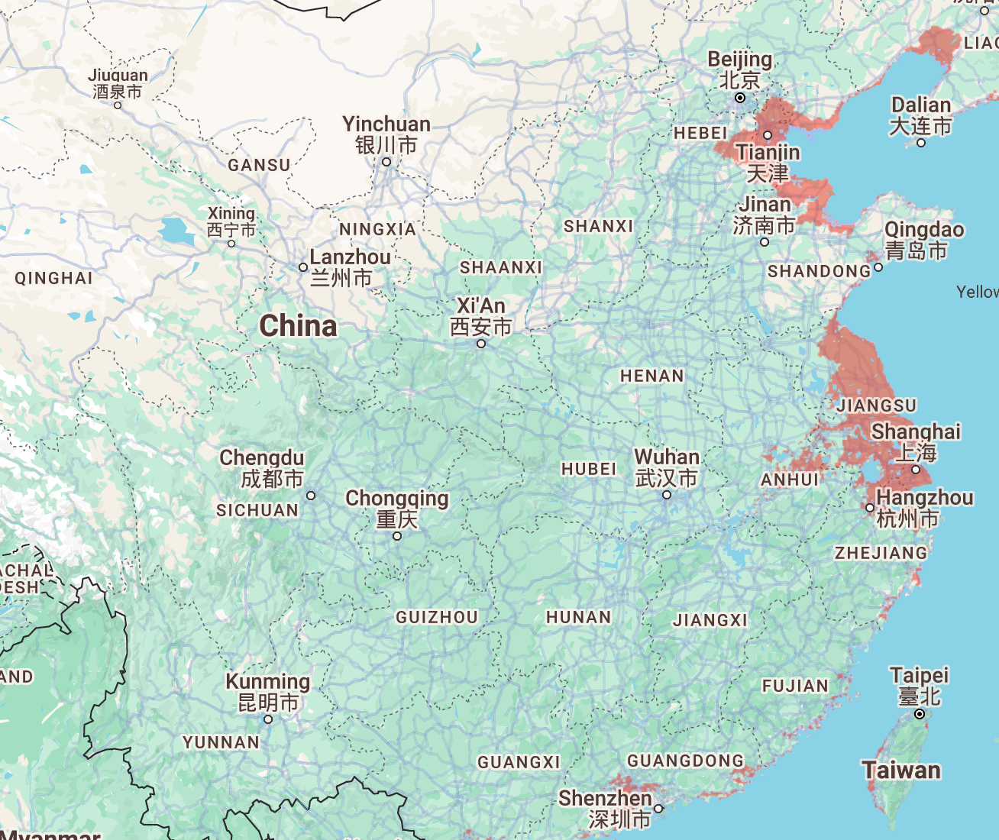
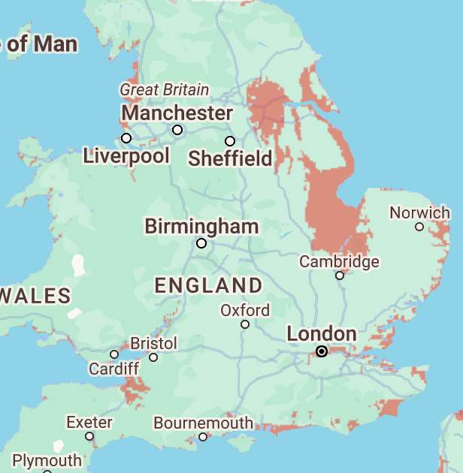
 |  | Nigeria | China |  | Papua New G

Sheet2
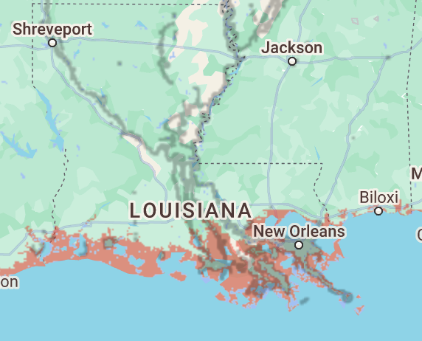
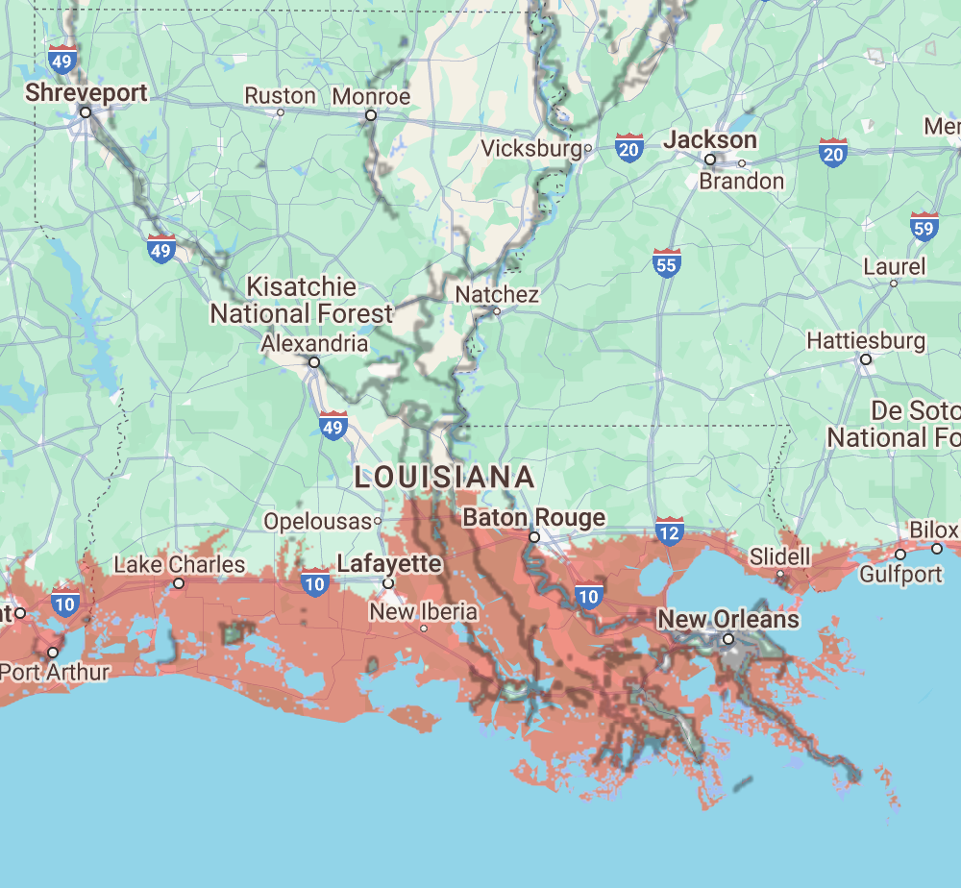
Name:

Task2: | Impact of sea-level rise on the United States
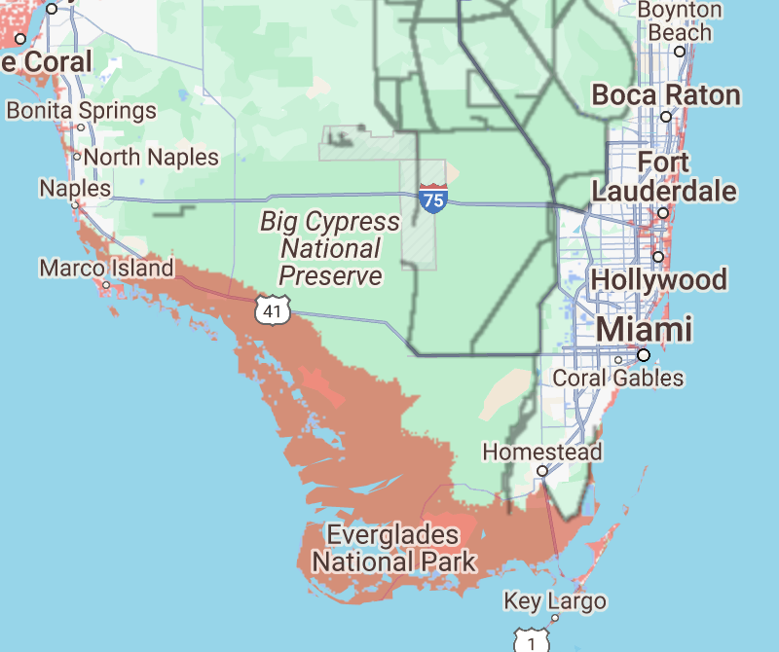
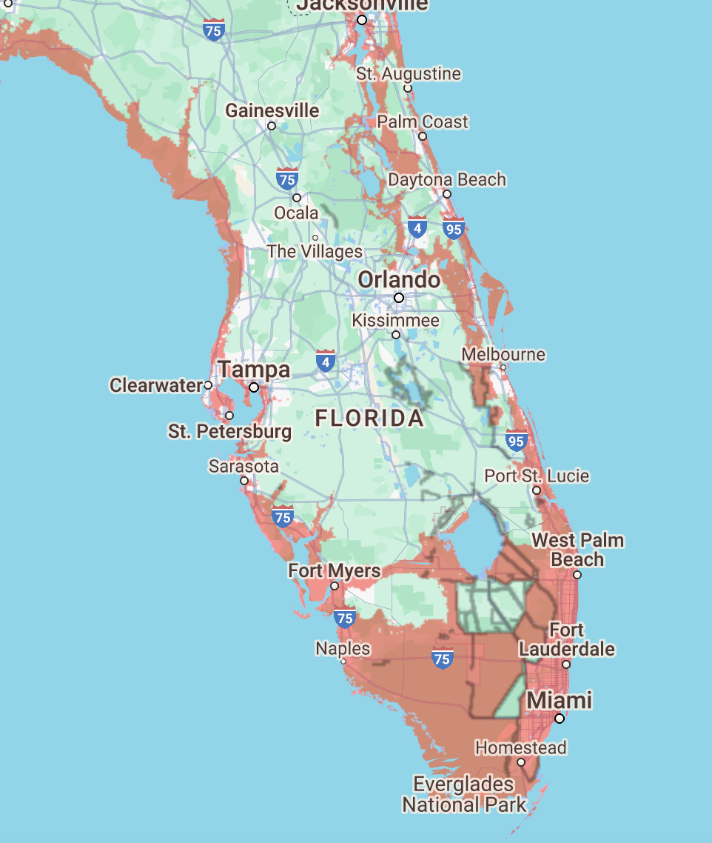
Task 2.1: For a 1m rise in sea-level, identify and attach screenshots of tthe most vulnerable coastal states/regions in the US. What additional states/regions would be affected if the sea level rise is 7m (attach screenshots)? Also, identify any major cities that would be affected by the sea-level rise. What are the possible strategies for mitigating the impact of sea-level rise? 2 cities each for 1m and 7m. Identify major cities/no need for screenshots for cities. Only for US states.
New Orleans, Louisiana
Miama, Florida
for both
It appears that Southern and Eastern US, get affected by sea level rise the most.
Ways we can mitigate sea levels rise is to protect coastlines with flood defences, update and adapt buildings and decrease our fossil fuels usage.

